Prodotti
PICTURE | BRAND | GENDER | TIPOLOGY | REFERENCE | COLOR | COMPOSITION | SIZE | QTY | UNIT PRICE | TOTAL PRICE | TOTAL PRICE | RRP | EAN
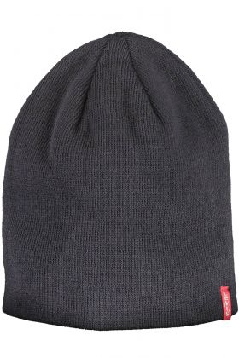 | LEVI'S | Uomo | BERRETTO | 14148-0011 | BLU | 100% ACRILICO | M | 2 | 13.61 € | 27.22 € | 35.00 € | ITALY | 7613267832616
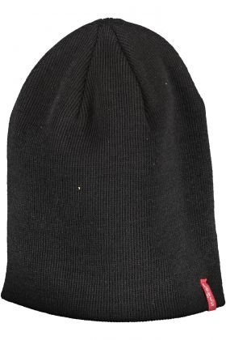 | LEVI'S | Uomo | BERRETTO | 14148-0011 | NERO | 100% ACRILICO | M | 12 | 13.61 € | 163.30 € | 35.00 € | ITALY | 7613267832708
 | LEVI'S | Uomo | BERRETTO | 14148-0011 | NERO | 100% ACRILICO | XL | 8 | 13.61 € | 108.86 € | 35.00 € | ITALY | 7613267395524
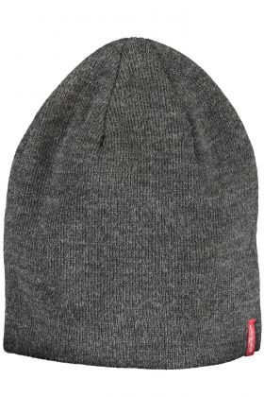 | LEVI'S | Uomo | BERRETTO | 14148-0011 | GRIGIO | 100% ACRILICO | M | 5 | 13.61 € | 68.04 € | 35.00 € | ITALY | 7613267832692
 | LEVI'S | Uomo | BERRETTO | 14148-0011 | GRIGIO | 100% ACRILICO | XL | 1 | 13.61 € | 13.61 € | 35.00 € | ITALY | 7613267395500
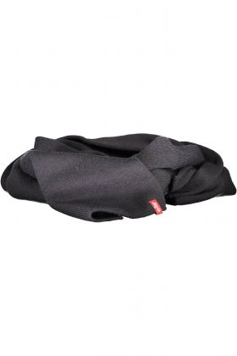 | LEVI'S | Uomo | SCIARPA | 14152-0011 | BLU | 100% ACRILICO | UNI | 14 | 20.52 € | 287.28 € | 55.00 € | ITALY | 7613267454306
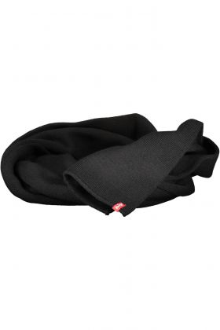 | LEVI'S | Uomo | SCIARPA | 14152-0011 | NERO | 100% ACRILICO | UNI | 28 | 20.52 € | 574.56 € | 55.00 € | ITALY | 7613267395555
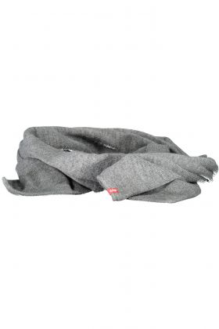 | LEVI'S | Uomo | SCIARPA | 14152-0011 | GRIGIO | 100% ACRILICO | UNI | 21 | 20.52 € | 430.92 € | 55.00 € | ITALY | 7613267454320
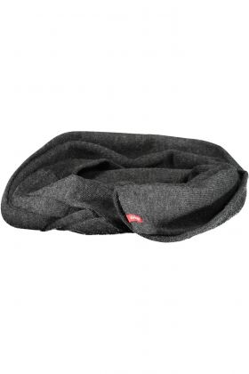 | LEVI'S | Uomo | SCIARPA | 14152-0011 | GRIGIO | 100% ACRILICO | UNI | 13 | 20.52 € | 266.76 € | 55.00 € | ITALY | 7613267395548
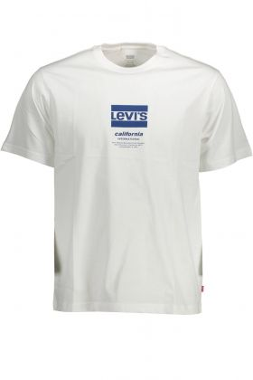 | LEVI'S | Uomo | T-SHIRT MANICHE CORTE | 16143 | BIANCO | 100% COTONE | XL | 5 | 17.64 € | 88.20 € | 45.00 € | TURKEY | 5400970985973
 | LEVI'S | Uomo | T-SHIRT MANICHE CORTE | 16143 | BIANCO | 100% COTONE | 2XL | 7 | 17.64 € | 123.48 € | 45.00 € | TURKEY | 5400970985997
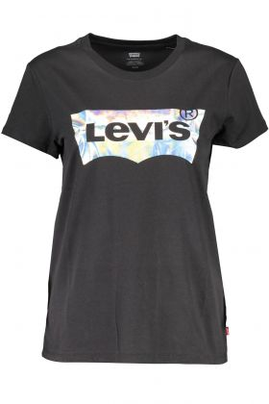 | LEVI'S | Donna | T-SHIRT MANICHE CORTE | 17369 | NERO | 100% COTONE | S | 1 | 20.52 € | 20.52 € | 55.00 € | TURKEY | 5400970679414
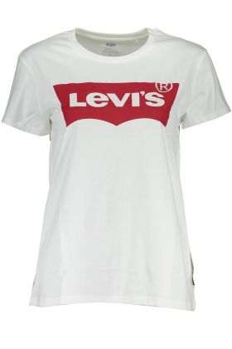 | LEVI'S | Donna | T-SHIRT MANICHE CORTE | 17369 | BIANCO | 100% COTONE | XS | 7 | 20.16 € | 141.12 € | 50.00 € | SRI LANKA | 5415212308823
 | LEVI'S | Donna | T-SHIRT MANICHE CORTE | 17369 | BIANCO | 100% COTONE | S | 20 | 20.16 € | 403.20 € | 50.00 € | SRI LANKA | 5415212021524
 | LEVI'S | Donna | T-SHIRT MANICHE CORTE | 17369 | BIANCO | 100% COTONE | M | 12 | 20.16 € | 241.92 € | 50.00 € | SRI LANKA | 5415212308809
 | LEVI'S | Donna | T-SHIRT MANICHE CORTE | 17369 | BIANCO | 100% COTONE | L | 16 | 20.16 € | 322.56 € | 50.00 € | SRI LANKA | 5415212308090
 | LEVI'S | Donna | T-SHIRT MANICHE CORTE | 17369 | BIANCO | 100% COTONE | XL | 13 | 20.16 € | 262.08 € | 50.00 € | SRI LANKA | 5415212308816
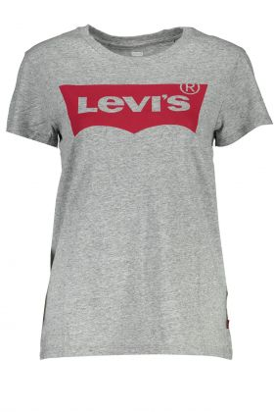 | LEVI'S | Donna | T-SHIRT MANICHE CORTE | 17369 | GRIGIO | 100% COTONE | XS | 16 | 20.16 € | 322.56 € | 50.00 € | BANGLADESH | 5400537011367
 | LEVI'S | Donna | T-SHIRT MANICHE CORTE | 17369 | GRIGIO | 100% COTONE | S | 4 | 20.16 € | 80.64 € | 50.00 € | BANGLADESH | 5400537008732
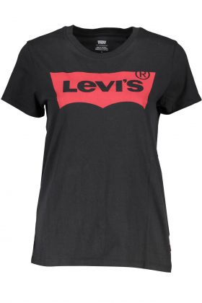 | LEVI'S | Donna | T-SHIRT MANICHE CORTE | 17369 | NERO | 100% COTONE | XS | 4 | 20.16 € | 80.64 € | 50.00 € | VIETNAM | 5400537012623
 | LEVI'S | Donna | T-SHIRT MANICHE CORTE | 17369 | NERO | 100% COTONE | S | 13 | 20.16 € | 262.08 € | 50.00 € | VIETNAM | 5415313048536
 | LEVI'S | Donna | T-SHIRT MANICHE CORTE | 17369 | NERO | 100% COTONE | M | 12 | 20.16 € | 241.92 € | 50.00 € | VIETNAM | 5400537012616
 | LEVI'S | Donna | T-SHIRT MANICHE CORTE | 17369 | NERO | 100% COTONE | L | 15 | 20.16 € | 302.40 € | 50.00 € | VIETNAM | 5400537012609
 | LEVI'S | Donna | T-SHIRT MANICHE CORTE | 17369 | NERO | 100% COTONE | XL | 10 | 20.16 € | 201.60 € | 50.00 € | VIETNAM | 5400537407542
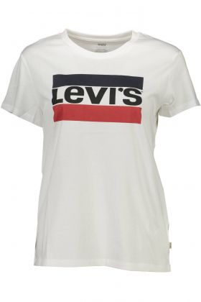 | LEVI'S | Donna | T-SHIRT MANICHE CORTE | 17369 | BIANCO | 100% COTONE | XS | 20 | 18.00 € | 360.00 € | 45.00 € | TURKEY | 5400537487001
 | LEVI'S | Donna | T-SHIRT MANICHE CORTE | 17369 | BIANCO | 100% COTONE | S | 40 | 18.00 € | 720.00 € | 45.00 € | TURKEY | 5400537486349
 | LEVI'S | Donna | T-SHIRT MANICHE CORTE | 17369 | BIANCO | 100% COTONE | M | 40 | 18.00 € | 720.00 € | 45.00 € | TURKEY | 5400537486288
 | LEVI'S | Donna | T-SHIRT MANICHE CORTE | 17369 | BIANCO | 100% COTONE | L | 40 | 18.00 € | 720.00 € | 45.00 € | TURKEY | 5400537486271
 | LEVI'S | Donna | T-SHIRT MANICHE CORTE | 17369 | BIANCO | 100% COTONE | XL | 20 | 18.00 € | 360.00 € | 45.00 € | TURKEY | 5400537486295
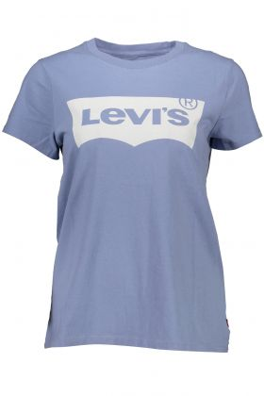 | LEVI'S | Donna | T-SHIRT MANICHE CORTE | 17369 | AZZURRO | 100% COTONE | S | 1 | 17.64 € | 17.64 € | 45.00 € | BANGLADESH | 5400970677397
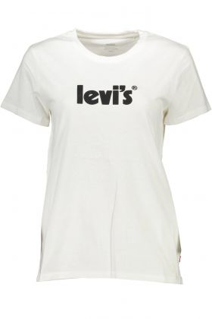 | LEVI'S | Donna | T-SHIRT MANICHE CORTE | 17369 | BIANCO | 100% COTONE | XS | 19 | 17.64 € | 335.16 € | 45.00 € | PAKISTAN | 5400970735172
 | LEVI'S | Donna | T-SHIRT MANICHE CORTE | 17369 | BIANCO | 100% COTONE | S | 32 | 17.64 € | 564.48 € | 45.00 € | PAKISTAN | 5400970679223
 | LEVI'S | Donna | T-SHIRT MANICHE CORTE | 17369 | BIANCO | 100% COTONE | M | 30 | 17.64 € | 529.20 € | 45.00 € | PAKISTAN | 5400970735158
 | LEVI'S | Donna | T-SHIRT MANICHE CORTE | 17369 | BIANCO | 100% COTONE | L | 32 | 17.64 € | 564.48 € | 45.00 € | PAKISTAN | 5400970735141
 | LEVI'S | Donna | T-SHIRT MANICHE CORTE | 17369 | BIANCO | 100% COTONE | XL | 18 | 17.64 € | 317.52 € | 45.00 € | PAKISTAN | 5400970735165
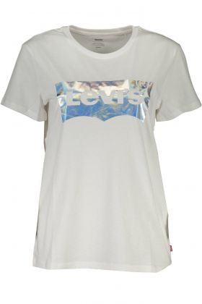 | LEVI'S | Donna | T-SHIRT MANICHE CORTE | 17369 | BIANCO | 100% COTONE | XS | 2 | 20.52 € | 41.04 € | 55.00 € | TURKEY | 5400970738029
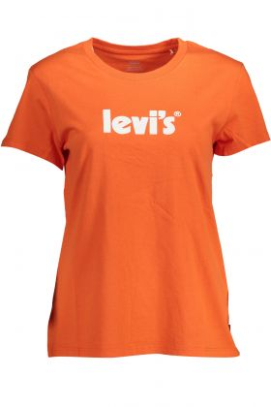 | LEVI'S | Donna | T-SHIRT MANICHE CORTE | 17369 | ARANCIO | 100% COTONE | L | 23 | 17.64 € | 405.72 € | 45.00 € | PAKISTAN | 5400970737886
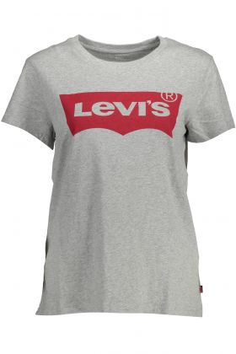 | LEVI'S | Donna | T-SHIRT MANICHE CORTE | 17369 | GRIGIO | 100% COTONE | XS | 15 | 17.64 € | 264.60 € | 45.00 € | BANGLADESH | 5400970738333
 | LEVI'S | Donna | T-SHIRT MANICHE CORTE | 17369 | GRIGIO | 100% COTONE | S | 30 | 17.64 € | 529.20 € | 45.00 € | BANGLADESH | 5400970696008
 | LEVI'S | Donna | T-SHIRT MANICHE CORTE | 17369 | GRIGIO | 100% COTONE | M | 30 | 17.64 € | 529.20 € | 45.00 € | BANGLADESH | 5400970738319
 | LEVI'S | Donna | T-SHIRT MANICHE CORTE | 17369 | GRIGIO | 100% COTONE | L | 30 | 17.64 € | 529.20 € | 45.00 € | BANGLADESH | 5400970738302
 | LEVI'S | Donna | T-SHIRT MANICHE CORTE | 17369 | GRIGIO | 100% COTONE | XL | 15 | 17.64 € | 264.60 € | 45.00 € | BANGLADESH | 5400970738326
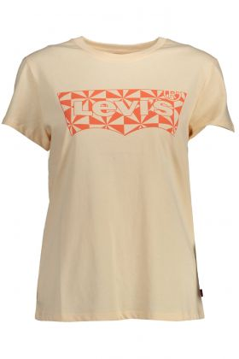 | LEVI'S | Donna | T-SHIRT MANICHE CORTE | 17369 | ROSA | 100% COTONE | 2XS | 1 | 17.64 € | 17.64 € | 45.00 € | TURKEY | 5400970980817
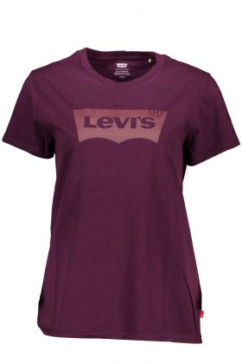 | LEVI'S | Donna | T-SHIRT MANICHE CORTE | 17369 | VIOLA | 100% COTONE | XS | 12 | 20.30 € | 243.65 € | 42.50 € | PAKISTAN | 5401105188191
 | LEVI'S | Donna | T-SHIRT MANICHE CORTE | 17369 | VIOLA | 100% COTONE | S | 26 | 20.30 € | 527.90 € | 42.50 € | PAKISTAN | 5401105021771
 | LEVI'S | Donna | T-SHIRT MANICHE CORTE | 17369 | VIOLA | 100% COTONE | M | 26 | 20.30 € | 527.90 € | 42.50 € | PAKISTAN | 5401105188177
 | LEVI'S | Donna | T-SHIRT MANICHE CORTE | 17369 | VIOLA | 100% COTONE | L | 26 | 20.30 € | 527.90 € | 42.50 € | PAKISTAN | 5401105188160
 | LEVI'S | Donna | T-SHIRT MANICHE CORTE | 17369 | VIOLA | 100% COTONE | XL | 9 | 20.30 € | 182.74 € | 42.50 € | PAKISTAN | 5401105188184
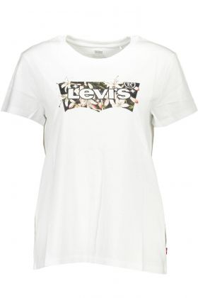 | LEVI'S | Donna | T-SHIRT MANICHE CORTE | 17369 | BIANCO | 100% COTONE | XS | 13 | 20.30 € | 263.95 € | 42.50 € | PAKISTAN | 5401105680046
 | LEVI'S | Donna | T-SHIRT MANICHE CORTE | 17369 | BIANCO | 100% COTONE | S | 28 | 20.30 € | 568.51 € | 42.50 € | PAKISTAN | 5401105400156
 | LEVI'S | Donna | T-SHIRT MANICHE CORTE | 17369 | BIANCO | 100% COTONE | M | 27 | 20.30 € | 548.21 € | 42.50 € | PAKISTAN | 5401105680022
 | LEVI'S | Donna | T-SHIRT MANICHE CORTE | 17369 | BIANCO | 100% COTONE | L | 30 | 20.30 € | 609.12 € | 42.50 € | PAKISTAN | 5401105680015
 | LEVI'S | Donna | T-SHIRT MANICHE CORTE | 17369 | BIANCO | 100% COTONE | XL | 14 | 20.30 € | 284.26 € | 42.50 € | PAKISTAN | 5401105680039
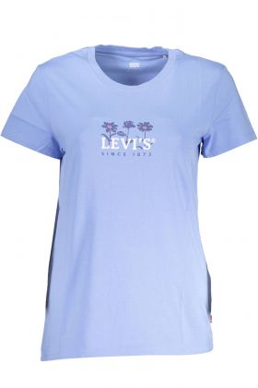 | LEVI'S | Donna | T-SHIRT MANICHE CORTE | 17369 | AZZURRO | 100% COTONE | XS | 14 | 20.30 € | 284.26 € | 42.50 € | BANGLADESH | 5401105678944
 | LEVI'S | Donna | T-SHIRT MANICHE CORTE | 17369 | AZZURRO | 100% COTONE | S | 30 | 20.30 € | 609.12 € | 42.50 € | BANGLADESH | 5401105402402
 | LEVI'S | Donna | T-SHIRT MANICHE CORTE | 17369 | AZZURRO | 100% COTONE | M | 30 | 20.30 € | 609.12 € | 42.50 € | BANGLADESH | 5401105678920
 | LEVI'S | Donna | T-SHIRT MANICHE CORTE | 17369 | AZZURRO | 100% COTONE | L | 30 | 20.30 € | 609.12 € | 42.50 € | BANGLADESH | 5401105678913
 | LEVI'S | Donna | T-SHIRT MANICHE CORTE | 17369 | AZZURRO | 100% COTONE | XL | 15 | 20.30 € | 304.56 € | 42.50 € | BANGLADESH | 5401105678937
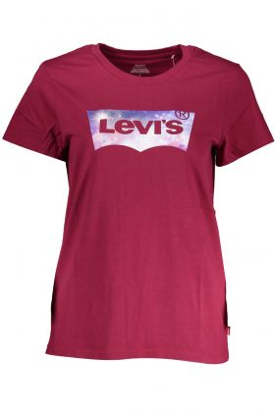 | LEVI'S | Donna | T-SHIRT MANICHE CORTE | 17369 | ROSSO | 100% COTONE | XS | 13 | 16.70 € | 217.15 € | 35.00 € | BANGLADESH | 5401105150921
 | LEVI'S | Donna | T-SHIRT MANICHE CORTE | 17369 | ROSSO | 100% COTONE | S | 30 | 16.70 € | 501.12 € | 35.00 € | BANGLADESH | 5401105020934
 | LEVI'S | Donna | T-SHIRT MANICHE CORTE | 17369 | ROSSO | 100% COTONE | M | 30 | 16.70 € | 501.12 € | 35.00 € | BANGLADESH | 5401105150907
 | LEVI'S | Donna | T-SHIRT MANICHE CORTE | 17369 | ROSSO | 100% COTONE | L | 30 | 16.70 € | 501.12 € | 35.00 € | BANGLADESH | 5401105149796
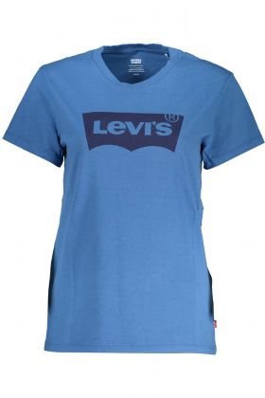 | LEVI'S | Donna | T-SHIRT MANICHE CORTE | 17369 | BLU | 100% COTONE | XS | 15 | 20.30 € | 304.56 € | 42.50 € | BANGLADESH | 5401105178772
 | LEVI'S | Donna | T-SHIRT MANICHE CORTE | 17369 | BLU | 100% COTONE | S | 30 | 20.30 € | 609.12 € | 42.50 € | BANGLADESH | 5401105020996
 | LEVI'S | Donna | T-SHIRT MANICHE CORTE | 17369 | BLU | 100% COTONE | M | 30 | 20.30 € | 609.12 € | 42.50 € | BANGLADESH | 5401105178758
 | LEVI'S | Donna | T-SHIRT MANICHE CORTE | 17369 | BLU | 100% COTONE | L | 30 | 20.30 € | 609.12 € | 42.50 € | BANGLADESH | 5401105178741
 | LEVI'S | Donna | T-SHIRT MANICHE CORTE | 17369 | BLU | 100% COTONE | XL | 11 | 20.30 € | 223.34 € | 42.50 € | BANGLADESH | 5401105178765
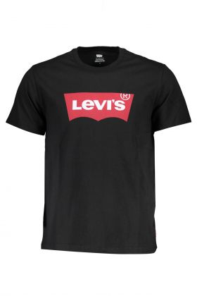 | LEVI'S | Uomo | T-SHIRT MANICHE CORTE | 17783 | NERO | 100% COTONE | S | 93 | 20.16 € | 1,874.88 € | 50.00 € | SRI LANKA | 5415211983618
 | LEVI'S | Uomo | T-SHIRT MANICHE CORTE | 17783 | NERO | 100% COTONE | M | 189 | 20.16 € | 3,810.24 € | 50.00 € | SRI LANKA | 5415211954335
 | LEVI'S | Uomo | T-SHIRT MANICHE CORTE | 17783 | NERO | 100% COTONE | L | 181 | 20.16 € | 3,648.96 € | 50.00 € | SRI LANKA | 5415211983601
 | LEVI'S | Uomo | T-SHIRT MANICHE CORTE | 17783 | NERO | 100% COTONE | XL | 181 | 20.16 € | 3,648.96 € | 50.00 € | SRI LANKA | 5415211983625
 | LEVI'S | Uomo | T-SHIRT MANICHE CORTE | 17783 | NERO | 100% COTONE | 2XL | 89 | 20.16 € | 1,794.24 € | 50.00 € | SRI LANKA | 5415211983649
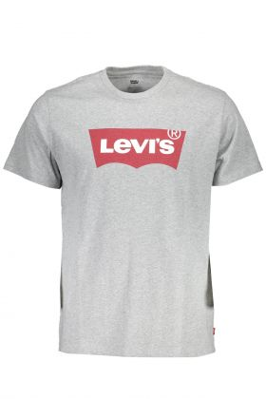 | LEVI'S | Uomo | T-SHIRT MANICHE CORTE | 17783 | GRIGIO | 100% COTONE | S | 96 | 20.16 € | 1,935.36 € | 50.00 € | MADAGASCAR | 5415211983243
 | LEVI'S | Uomo | T-SHIRT MANICHE CORTE | 17783 | GRIGIO | 100% COTONE | M | 199 | 20.16 € | 4,011.84 € | 50.00 € | MADAGASCAR | 5415211954236
 | LEVI'S | Uomo | T-SHIRT MANICHE CORTE | 17783 | GRIGIO | 100% COTONE | L | 196 | 20.16 € | 3,951.36 € | 50.00 € | MADAGASCAR | 5415211983236
 | LEVI'S | Uomo | T-SHIRT MANICHE CORTE | 17783 | GRIGIO | 100% COTONE | XL | 196 | 20.16 € | 3,951.36 € | 50.00 € | MADAGASCAR | 5415211983250
 | LEVI'S | Uomo | T-SHIRT MANICHE CORTE | 17783 | GRIGIO | 100% COTONE | 2XL | 96 | 20.16 € | 1,935.36 € | 50.00 € | MADAGASCAR | 5415211983274
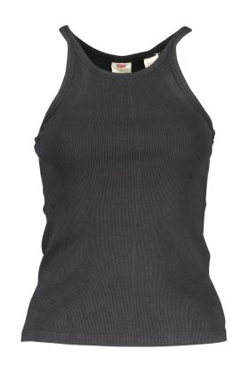 | LEVI'S | Donna | CAMICIA MANICHE LUNGHE | 19706 | NERO | 100% COTONE | XS | 21 | 11.16 € | 234.36 € | 30.00 € | PAKISTAN | 5400970025181
 | LEVI'S | Donna | CAMICIA MANICHE LUNGHE | 19706 | NERO | 100% COTONE | S | 36 | 11.16 € | 401.76 € | 30.00 € | PAKISTAN | 5400898919074
 | LEVI'S | Donna | CAMICIA MANICHE LUNGHE | 19706 | NERO | 100% COTONE | M | 40 | 11.16 € | 446.40 € | 30.00 € | PAKISTAN | 5400970025174
 | LEVI'S | Donna | CAMICIA MANICHE LUNGHE | 19706 | NERO | 100% COTONE | L | 37 | 11.16 € | 412.92 € | 30.00 € | PAKISTAN | 5400970025167
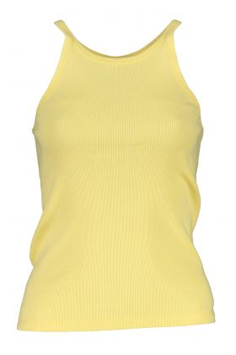 | LEVI'S | Donna | CANOTTA | 19706 | GIALLO | 100% COTONE | XS | 4 | 11.16 € | 44.64 € | 30.00 € | PAKISTAN | 5400970029141
 | LEVI'S | Donna | CANOTTA | 19706 | GIALLO | 100% COTONE | M | 5 | 11.16 € | 55.80 € | 30.00 € | PAKISTAN | 5400970029134
 | LEVI'S | Donna | CANOTTA | 19706 | GIALLO | 100% COTONE | L | 1 | 11.16 € | 11.16 € | 30.00 € | PAKISTAN | 5400970029127
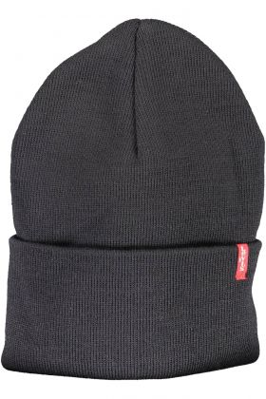 | LEVI'S | Uomo | BERRETTO | 223878-0011 | BLU | 100% ACRILICO | UNI | 2 | 13.61 € | 27.22 € | 35.00 € | ITALY | 7613325366770
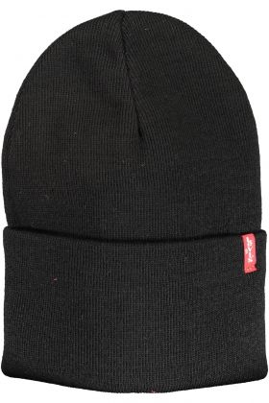 | LEVI'S | Uomo | BERRETTO | 223878-0011 | NERO | 100% ACRILICO | UNI | 5 | 13.61 € | 68.04 € | 35.00 € | ITALY | 7613325366817
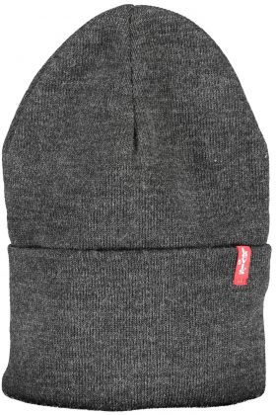 | LEVI'S | Uomo | BERRETTO | 223878-0011 | GRIGIO | 100% ACRILICO | UNI | 5 | 13.61 € | 68.04 € | 35.00 € | ITALY | 7613325705920
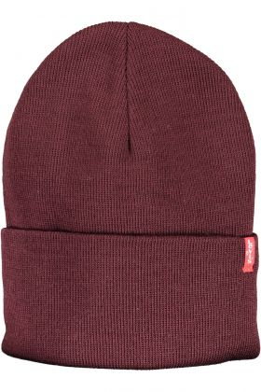 | LEVI'S | Uomo | BERRETTO | 223878-0011 | ROSSO | 100% ACRILICO | UNI | 10 | 13.61 € | 136.08 € | 35.00 € | ITALY | 7613325366848
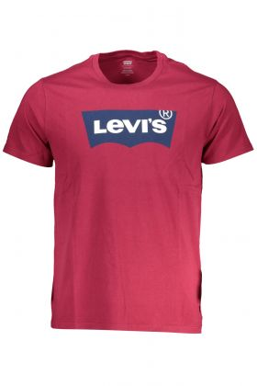 | LEVI'S | Uomo | T-SHIRT MANICHE CORTE | 22491 | ROSSO | 100% COTONE | S | 22 | 20.30 € | 446.69 € | 42.50 € | PAKISTAN | 5401105120849
 | LEVI'S | Uomo | T-SHIRT MANICHE CORTE | 22491 | ROSSO | 100% COTONE | M | 46 | 20.30 € | 933.98 € | 42.50 € | PAKISTAN | 5401105093860
 | LEVI'S | Uomo | T-SHIRT MANICHE CORTE | 22491 | ROSSO | 100% COTONE | L | 49 | 20.30 € | 994.90 € | 42.50 € | PAKISTAN | 5401105120832
 | LEVI'S | Uomo | T-SHIRT MANICHE CORTE | 22491 | ROSSO | 100% COTONE | XL | 49 | 20.30 € | 994.90 € | 42.50 € | PAKISTAN | 5401105120856
 | LEVI'S | Uomo | T-SHIRT MANICHE CORTE | 22491 | ROSSO | 100% COTONE | 2XL | 22 | 20.30 € | 446.69 € | 42.50 € | PAKISTAN | 5401105120870
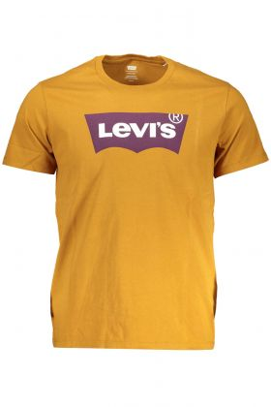 | LEVI'S | Uomo | T-SHIRT MANICHE CORTE | 22491 | MARRONE | 100% COTONE | S | 24 | 20.30 € | 487.30 € | 42.50 € | PAKISTAN | 5401105662943
 | LEVI'S | Uomo | T-SHIRT MANICHE CORTE | 22491 | MARRONE | 100% COTONE | M | 49 | 20.30 € | 994.90 € | 42.50 € | PAKISTAN | 5401105165369
 | LEVI'S | Uomo | T-SHIRT MANICHE CORTE | 22491 | MARRONE | 100% COTONE | L | 47 | 20.30 € | 954.29 € | 42.50 € | PAKISTAN | 5401105662936
 | LEVI'S | Uomo | T-SHIRT MANICHE CORTE | 22491 | MARRONE | 100% COTONE | XL | 29 | 20.30 € | 588.82 € | 42.50 € | PAKISTAN | 5401105662950
 | LEVI'S | Uomo | T-SHIRT MANICHE CORTE | 22491 | MARRONE | 100% COTONE | 2XL | 24 | 20.30 € | 487.30 € | 42.50 € | PAKISTAN | 5401105662974
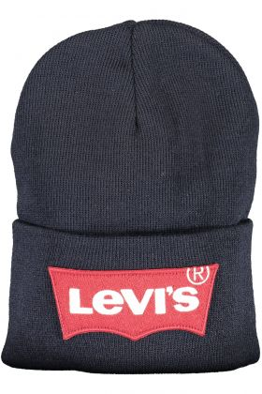 | LEVI'S | Uomo | BERRETTO | 228633-0011 | BLU | 100% ACRILICO | UNI | 24 | 19.15 € | 459.65 € | 40.00 € | ITALY | 7613369470495
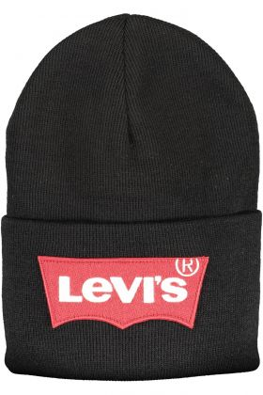 | LEVI'S | Uomo | BERRETTO | 228633-0011 | NERO | 100% ACRILICO | UNI | 36 | 19.15 € | 689.47 € | 40.00 € | ITALY | 7613369470518
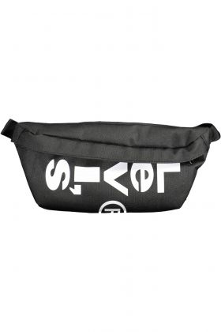 | LEVI'S | Uomo | MARSUPIO | 228846-0208 | NERO | 100% POLIESTERE | UNI | 66 | 13.61 € | 898.13 € | 35.00 € | VIETNAM | 7613417520769
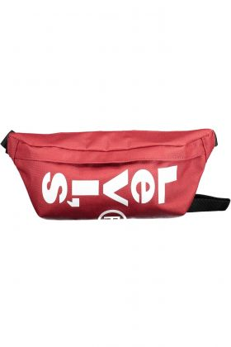 | LEVI'S | Uomo | MARSUPIO | 228846-0208 | ROSSO | 100% POLIESTERE | UNI | 5 | 13.61 € | 68.04 € | 35.00 € | VIETNAM | 7613417520776
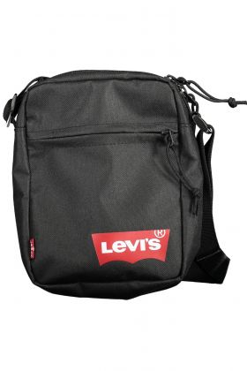 | LEVI'S | Uomo | TRACOLLA | 229095-0208 | NERO | 100% POLIESTERE | UNI | 50 | 13.61 € | 680.40 € | 35.00 € | VIETNAM | 7613417521582
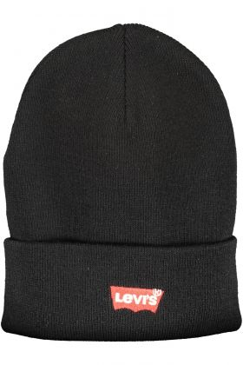 | LEVI'S | Uomo | BERRETTO | 230791-0011 | NERO | 100% ACRILICO | UNI | 32 | 16.78 € | 536.83 € | 43.50 € | ITALY | 7613417093096
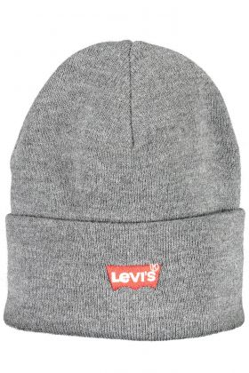 | LEVI'S | Uomo | BERRETTO | 230791-0011 | GRIGIO | 100% ACRILICO | UNI | 11 | 16.78 € | 184.54 € | 43.50 € | ITALY | 7613417093089
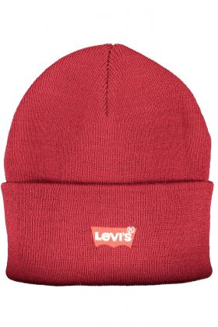 | LEVI'S | Uomo | BERRETTO | 230791-0011 | ROSSO | 100% ACRILICO | UNI | 22 | 16.78 € | 369.07 € | 43.50 € | ITALY | 7613417093119
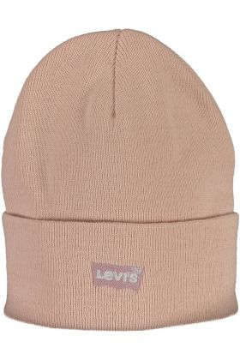 | LEVI'S | Donna | BERRETTO | 232426-0011 | ROSA | 100% ACRILICO | UNI | 9 | 16.78 € | 150.98 € | 43.50 € | ITALY | 7613417530591
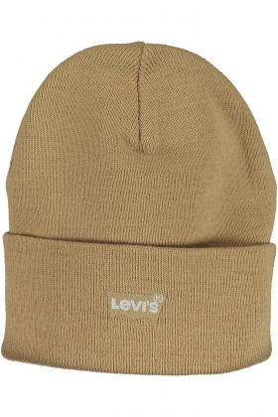 | LEVI'S | Donna | BERRETTO | 232426-0011 | BEIGE | 100% ACRILICO | UNI | 18 | 16.78 € | 301.97 € | 43.50 € | ITALY | 7626725292303
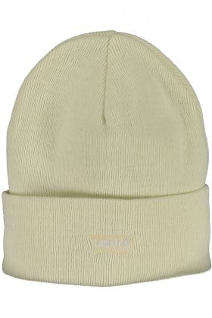 | LEVI'S | Donna | BERRETTO | 232426-0011 | BIANCO | 100% ACRILICO | UNI | 21 | 16.78 € | 352.30 € | 43.50 € | ITALY | 7613417530584
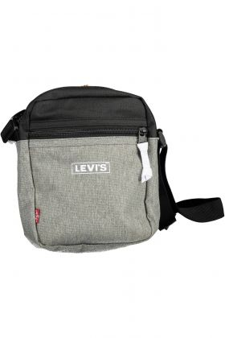 | LEVI'S | Uomo | TRACOLLA | 232481-0109 | GRIGIO | 100% POLIESTERE | UNI | 16 | 13.61 € | 217.73 € | 35.00 € | VIETNAM | 7613417534070
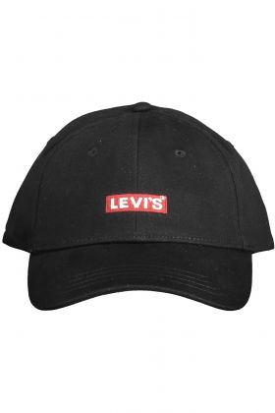 | LEVI'S | Uomo | CAPPELLO | 234080-0006 | NERO | 100% COTONE | UNI | 52 | 13.61 € | 707.62 € | 35.00 € | CHINA | 7626725013458
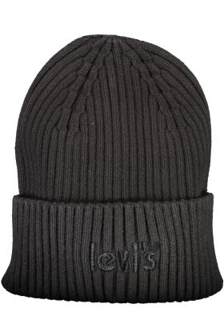 | LEVI'S | Uomo | BERRETTO | 234279-0306 | NERO | 100% COTONE | UNI | 21 | 16.78 € | 352.30 € | 43.50 € | CHINA | 7626725118269
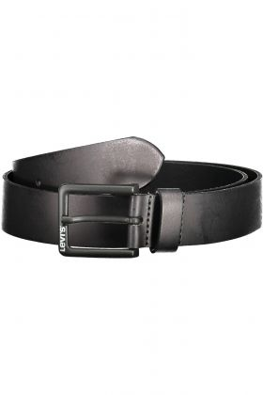 | LEVI'S | Uomo | CINTURA IN PELLE | 234388-0003 | NERO | 100% PELLE | 90 | 1 | 20.52 € | 20.52 € | 55.00 € | ROMANIA | 7626725131121
 | LEVI'S | Uomo | CINTURA IN PELLE | 234388-0003 | NERO | 100% PELLE | 85 | 2 | 20.52 € | 41.04 € | 55.00 € | ROMANIA | 7626725131114
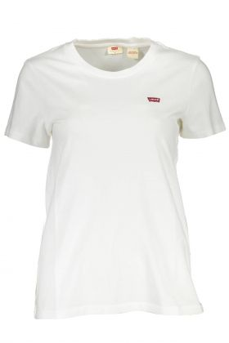 | LEVI'S | Donna | T-SHIRT MANICHE CORTE | 39185 | BIANCO | 100% COTONE | XS | 18 | 13.79 € | 248.18 € | 35.00 € | BANGLADESH | 5400599006592
 | LEVI'S | Donna | T-SHIRT MANICHE CORTE | 39185 | BIANCO | 100% COTONE | S | 38 | 13.79 € | 523.94 € | 35.00 € | BANGLADESH | 5400537998477
 | LEVI'S | Donna | T-SHIRT MANICHE CORTE | 39185 | BIANCO | 100% COTONE | M | 38 | 13.79 € | 523.94 € | 35.00 € | BANGLADESH | 5400599006578
 | LEVI'S | Donna | T-SHIRT MANICHE CORTE | 39185 | BIANCO | 100% COTONE | L | 38 | 13.79 € | 523.94 € | 35.00 € | BANGLADESH | 5400599006561
 | LEVI'S | Donna | T-SHIRT MANICHE CORTE | 39185 | BIANCO | 100% COTONE | XL | 20 | 13.79 € | 275.76 € | 35.00 € | BANGLADESH | 5400599006585
 | LEVI'S | Donna | T-SHIRT MANICHE CORTE | 39185 | NERO | 100% COTONE | XS | 20 | 13.79 € | 275.76 € | 35.00 € | BANGLADESH | 5400599010681
 | LEVI'S | Donna | T-SHIRT MANICHE CORTE | 39185 | NERO | 100% COTONE | S | 38 | 13.79 € | 523.94 € | 35.00 € | BANGLADESH | 5400537995179
 | LEVI'S | Donna | T-SHIRT MANICHE CORTE | 39185 | NERO | 100% COTONE | M | 38 | 13.79 € | 523.94 € | 35.00 € | BANGLADESH | 5400599010667
 | LEVI'S | Donna | T-SHIRT MANICHE CORTE | 39185 | NERO | 100% COTONE | L | 38 | 13.79 € | 523.94 € | 35.00 € | BANGLADESH | 5400599010650
 | LEVI'S | Donna | T-SHIRT MANICHE CORTE | 39185 | NERO | 100% COTONE | XL | 20 | 13.79 € | 275.76 € | 35.00 € | BANGLADESH | 5400599010674
 | LEVI'S | Donna | T-SHIRT MANICHE CORTE | 39185 | GRIGIO | 100% COTONE | XS | 15 | 19.15 € | 287.28 € | 40.00 € | BANGLADESH | 5400970450419
 | LEVI'S | Donna | T-SHIRT MANICHE CORTE | 39185 | GRIGIO | 100% COTONE | S | 27 | 19.15 € | 517.10 € | 40.00 € | BANGLADESH | 5400970393365
 | LEVI'S | Donna | T-SHIRT MANICHE CORTE | 39185 | GRIGIO | 100% COTONE | M | 30 | 19.15 € | 574.56 € | 40.00 € | BANGLADESH | 5400970449796
 | LEVI'S | Donna | T-SHIRT MANICHE CORTE | 39185 | GRIGIO | 100% COTONE | L | 25 | 19.15 € | 478.80 € | 40.00 € | BANGLADESH | 5400970449789
 | LEVI'S | Donna | T-SHIRT MANICHE CORTE | 39185 | ROSSO | 100% COTONE | 2XS | 10 | 19.15 € | 191.52 € | 40.00 € | BANGLADESH | 5401043555574
 | LEVI'S | Donna | T-SHIRT MANICHE CORTE | 39185 | ROSSO | 100% COTONE | XS | 29 | 19.15 € | 555.41 € | 40.00 € | BANGLADESH | 5401043555567
 | LEVI'S | Donna | T-SHIRT MANICHE CORTE | 39185 | ROSSO | 100% COTONE | S | 59 | 19.15 € | 1,129.97 € | 40.00 € | BANGLADESH | 5401043447152
 | LEVI'S | Donna | T-SHIRT MANICHE CORTE | 39185 | ROSSO | 100% COTONE | M | 58 | 19.15 € | 1,110.82 € | 40.00 € | BANGLADESH | 5401043555543
 | LEVI'S | Donna | T-SHIRT MANICHE CORTE | 39185 | ROSSO | 100% COTONE | L | 56 | 19.15 € | 1,072.51 € | 40.00 € | BANGLADESH | 5401043555536
 | LEVI'S | Donna | T-SHIRT MANICHE CORTE | 39185 | ROSSO | 100% COTONE | XL | 27 | 19.15 € | 517.10 € | 40.00 € | BANGLADESH | 5401043555550
 | LEVI'S | Donna | T-SHIRT MANICHE CORTE | 39185 | ROSA | 100% COTONE | 2XS | 10 | 19.15 € | 191.52 € | 40.00 € | BANGLADESH | 5401043595419
 | LEVI'S | Donna | T-SHIRT MANICHE CORTE | 39185 | ROSA | 100% COTONE | XS | 28 | 19.15 € | 536.26 € | 40.00 € | BANGLADESH | 5401043595402
 | LEVI'S | Donna | T-SHIRT MANICHE CORTE | 39185 | ROSA | 100% COTONE | S | 54 | 19.15 € | 1,034.21 € | 40.00 € | BANGLADESH | 5401043445257
 | LEVI'S | Donna | T-SHIRT MANICHE CORTE | 39185 | ROSA | 100% COTONE | M | 56 | 19.15 € | 1,072.51 € | 40.00 € | BANGLADESH | 5401043595082
 | LEVI'S | Donna | T-SHIRT MANICHE CORTE | 39185 | ROSA | 100% COTONE | L | 52 | 19.15 € | 995.90 € | 40.00 € | BANGLADESH | 5401043595075
 | LEVI'S | Donna | T-SHIRT MANICHE CORTE | 39185 | ROSA | 100% COTONE | XL | 28 | 19.15 € | 536.26 € | 40.00 € | BANGLADESH | 5401043595099
 | LEVI'S | Donna | T-SHIRT MANICHE CORTE | 39185 | AZZURRO | 100% COTONE | XS | 15 | 14.83 € | 222.48 € | 31.00 € | BANGLADESH | 5401105681555
 | LEVI'S | Donna | T-SHIRT MANICHE CORTE | 39185 | AZZURRO | 100% COTONE | S | 28 | 14.83 € | 415.30 € | 31.00 € | BANGLADESH | 5401105433598
 | LEVI'S | Donna | T-SHIRT MANICHE CORTE | 39185 | AZZURRO | 100% COTONE | M | 29 | 14.83 € | 430.13 € | 31.00 € | BANGLADESH | 5401105681531
 | LEVI'S | Donna | T-SHIRT MANICHE CORTE | 39185 | AZZURRO | 100% COTONE | L | 28 | 14.83 € | 415.30 € | 31.00 € | BANGLADESH | 5401105681524
 | LEVI'S | Donna | T-SHIRT MANICHE CORTE | 39185 | AZZURRO | 100% COTONE | XL | 14 | 14.83 € | 207.65 € | 31.00 € | BANGLADESH | 5401105681548
 | LEVI'S | Donna | T-SHIRT MANICHE CORTE | 39185 | ROSA | 100% COTONE | XS | 15 | 14.83 € | 222.48 € | 31.00 € | BANGLADESH | 5401105680091
 | LEVI'S | Donna | T-SHIRT MANICHE CORTE | 39185 | ROSA | 100% COTONE | S | 31 | 14.83 € | 459.79 € | 31.00 € | BANGLADESH | 5401105432805
 | LEVI'S | Donna | T-SHIRT MANICHE CORTE | 39185 | ROSA | 100% COTONE | M | 27 | 14.83 € | 400.46 € | 31.00 € | BANGLADESH | 5401105680077
 | LEVI'S | Donna | T-SHIRT MANICHE CORTE | 39185 | ROSA | 100% COTONE | L | 28 | 14.83 € | 415.30 € | 31.00 € | BANGLADESH | 5401105680060
 | LEVI'S | Donna | T-SHIRT MANICHE CORTE | 39185 | ROSA | 100% COTONE | XL | 15 | 14.83 € | 222.48 € | 31.00 € | BANGLADESH | 5401105680084
 | LEVI'S | Donna | PANTALONE | 473 | ROSSO | 98% COTONE,2% ELASTAN | 32 L34 | 1 | 10.08 € | 10.08 € | 110.00 € | MOROCCO | 8053000014203
 | LEVI'S | Uomo | T-SHIRT MANICHE CORTE | 56605 | VERDE | 100% COTONE | S | 13 | 14.83 € | 192.82 € | 31.00 € | PAKISTAN | 5400599853080
 | LEVI'S | Uomo | T-SHIRT MANICHE CORTE | 56605 | VERDE | 100% COTONE | M | 46 | 14.83 € | 682.27 € | 31.00 € | PAKISTAN | 5400599850683
 | LEVI'S | Uomo | T-SHIRT MANICHE CORTE | 56605 | VERDE | 100% COTONE | L | 48 | 14.83 € | 711.94 € | 31.00 € | PAKISTAN | 5400599853073
 | LEVI'S | Uomo | T-SHIRT MANICHE CORTE | 56605 | VERDE | 100% COTONE | XL | 58 | 14.83 € | 860.26 € | 31.00 € | PAKISTAN | 5400599853097
 | LEVI'S | Uomo | T-SHIRT MANICHE CORTE | 56605 | VERDE | 100% COTONE | 2XL | 18 | 14.83 € | 266.98 € | 31.00 € | PAKISTAN | 5400599853219
 | LEVI'S | Uomo | T-SHIRT MANICHE CORTE | 56605 | BIANCO | 100% COTONE | S | 9 | 13.79 € | 124.09 € | 35.00 € | PAKISTAN | 5400599136305
 | LEVI'S | Uomo | T-SHIRT MANICHE CORTE | 56605 | BIANCO | 100% COTONE | M | 45 | 13.79 € | 620.46 € | 35.00 € | PAKISTAN | 5400599131652
 | LEVI'S | Uomo | T-SHIRT MANICHE CORTE | 56605 | BIANCO | 100% COTONE | L | 63 | 13.79 € | 868.64 € | 35.00 € | PAKISTAN | 5400599133793
 | LEVI'S | Uomo | T-SHIRT MANICHE CORTE | 56605 | BIANCO | 100% COTONE | XL | 108 | 13.79 € | 1,489.10 € | 35.00 € | PAKISTAN | 5400599136312
 | LEVI'S | Uomo | T-SHIRT MANICHE CORTE | 56605 | BIANCO | 100% COTONE | 2XL | 31 | 13.79 € | 427.43 € | 35.00 € | PAKISTAN | 5400599136329
 | LEVI'S | Uomo | T-SHIRT MANICHE CORTE | 56605 | BLU | 100% COTONE | S | 58 | 13.79 € | 799.70 € | 35.00 € | PAKISTAN | 5400599852342
 | LEVI'S | Uomo | T-SHIRT MANICHE CORTE | 56605 | BLU | 100% COTONE | M | 86 | 13.79 € | 1,185.77 € | 35.00 € | PAKISTAN | 5400599851246
 | LEVI'S | Uomo | T-SHIRT MANICHE CORTE | 56605 | BLU | 100% COTONE | L | 104 | 13.79 € | 1,433.95 € | 35.00 € | PAKISTAN | 5400599852335
 | LEVI'S | Uomo | T-SHIRT MANICHE CORTE | 56605 | BLU | 100% COTONE | XL | 122 | 13.79 € | 1,682.14 € | 35.00 € | PAKISTAN | 5400599852359
 | LEVI'S | Uomo | T-SHIRT MANICHE CORTE | 56605 | BLU | 100% COTONE | 2XL | 53 | 13.79 € | 730.76 € | 35.00 € | PAKISTAN | 5400599852373
 | LEVI'S | Uomo | T-SHIRT MANICHE CORTE | 56605 | NERO | 100% COTONE | S | 30 | 13.79 € | 413.64 € | 35.00 € | PAKISTAN | 5400599635273
 | LEVI'S | Uomo | T-SHIRT MANICHE CORTE | 56605 | NERO | 100% COTONE | M | 59 | 13.79 € | 813.49 € | 35.00 € | PAKISTAN | 5400599614254
...

